COVER 1
MOPANI DISTRICT MUNICIPALITY

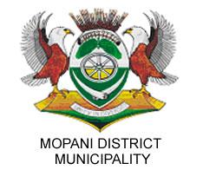

FINAL ADJUSTMENT BUDGET(FEBRUARY 2021)

2020-2021;2021-2022;2022-2023

